Sheet1
Project Name | E-Commerce Product Management
Module Name | Add a New Product
Created By | Noyon Chandra Saha
Creation Date | 2025-06-25
Reviewed By
Reviewed Date

Test Scenario Id | Test Scenario Description | Test Case ID | Test Case Description | Precondition | Post Condition | Test Steps | Test Data | Expected Restult | Actual Result | Status | Priority | Executed By | Executed Date | Comments (if any)
TS_ANP_001 | Ensure that users can successfully add a new product to the cart by clicking on products "Add to Cart" button. | TC_ANP_001 | Add one product from the “All Products” page. | Must have internet connection | Cart List shows the added item. | 1. Visit this websit https://automationexercise.com/ 2. Click on Products Pages. 3. Hover on any product 4. Click add to Cart button. 5. Now you can see a Added popup message with Your product has been added to Cart. 6. Click on View Cart link. | Test Data: First product on page. | Confirmation Pop up with the message of “Your product has been added to cart” also product is visible in the Cart List. | 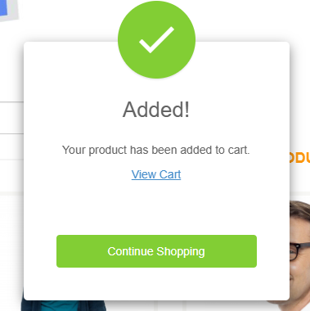 Product added successfully. | Pass | High | Noyon Chandra Saha | 2025-06-26
 |  | TC_ANP_002 |  |  |  |  | Test Data: Third product on page. | Confirmation Pop up with the message of “Your product has been added to cart” also product is visible in the Cart List. | Product added successfully. | Pass | High | Noyon Chandra Saha | 2025-06-26
 |  | TC_ANP_003 | Add two distinct products from listing. | Must have internet connection | Cart List shows the added item. | 1. Visit this websit https://automationexercise.com/ 2. Click on Products Pages. 3. Hover on any product 4. Click add to Cart button. 5. Now you can see a Added popup message with Your product has been added to Cart. 6. Click on Continue shopping button. 7. Choose another product. 8. Repeat step 3, 4, 5 9. Navigate Cart Page | Test Data: 5th, 8th, 2nd product on page. | Confirmation Pop up with the message of “Your product has been added to cart” also product is visible in the Cart List. | 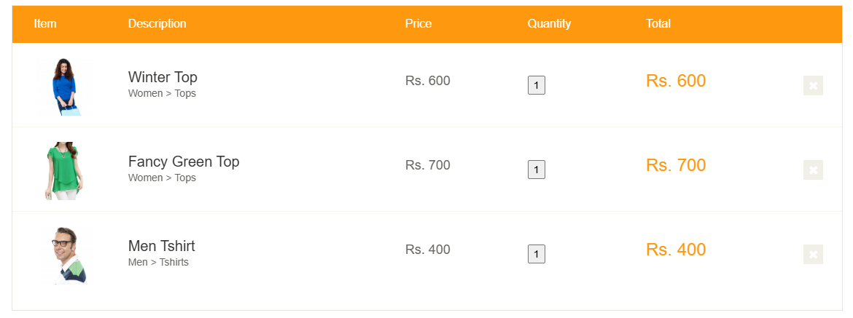 Product added successfully. | Pass | High | Noyon Chandra Saha | 2025-06-26
 |  | TC_ANP_004 | Add product via its detail view. | Must have internet connection | Cart List shows the added item. | 1. Visit this websit https://automationexercise.com/ 2. Click on Products Pages. 3. Click add to View Product button. 5. System will redirect you to product details page. 6. Click add to cart button. 7. Navigate Cart page | Test data: 4th product and quatity = 1 | Confirmation Pop up with the message of “Your product has been added to cart” also product is visible in the Cart List. | 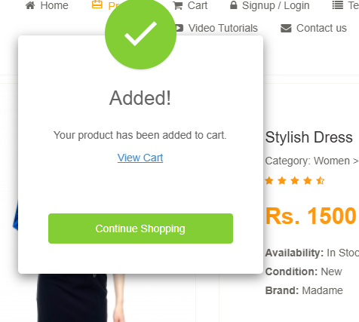 Product added successfully. | Pass | High | Noyon Chandra Saha | 2025-06-26
 |  | TC_ANP_005 | Add Product with Multiple Quantity | Must have internet connection | Cart List shows the added item. | 1. Visit this websit https://automationexercise.com/ 2. Click on Products Pages. 3. Click add to View Product button. 5. System will redirect you to product details page. 6. Adjust the quantity as much you needed. 7. Click add to cart button. 8. Navigate Cart page | Test data: 4th product and quatity = 4 | Confirmation Pop up with the message of “Your product has been added to cart” also product is visible in the Cart List. |  Product added successfully. | Pass | Medium | Noyon Chandra Saha | 2025-06-26
 |  | TC_ANP_006 | Ensure cart items persist across pages. | 1. Must have internet connection 2. At least one item in cart. | Item remains in cart. | 1. Navigate away 2. Return to Cart page | Test Data: No new input. | Expected Result: Previously added item still in cart. | Previous product info still in cart | Pass | High | Noyon Chandra Saha | 2025-06-26
 |  | TC_ANP_007 | Add product from “RECOMMENDED ITEMS” section. | 1. Must have internet connection 2. Must have products in "recommended items" | Cart List shows the added item. | 1. Visit this websit https://automationexercise.com/ 2. Scroll down to recommended section in home page. 3. Hover on any product 4. Click add to Cart button. 5. Now you can see a Added popup message with Your product has been added to Cart. 6. Click on View Cart link. | Test Data: 2nd product from recomeended items. | Confirmation Pop up with the message of “Your product has been added to cart” also product is visible in the Cart List. | 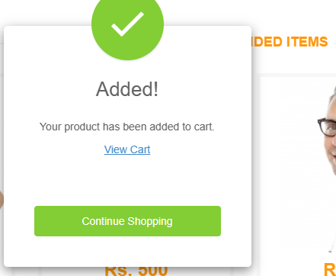 Product added successfully. | Pass | Medium | Noyon Chandra Saha | 2025-06-26
 |  | TC_ANP_008 | Add When Not Logged In | User not logged in, on product listing. | Item added to cart for guest. | 1. Visit this websit https://automationexercise.com/ 2. Click on Products Pages. 3. Hover on any product 4. Click add to Cart button. 5. Now you can see a Added popup message with Your product has been added to Cart. 6. Click on View Cart link. | Test Data: Any product. | Item added; no login required for adding. | 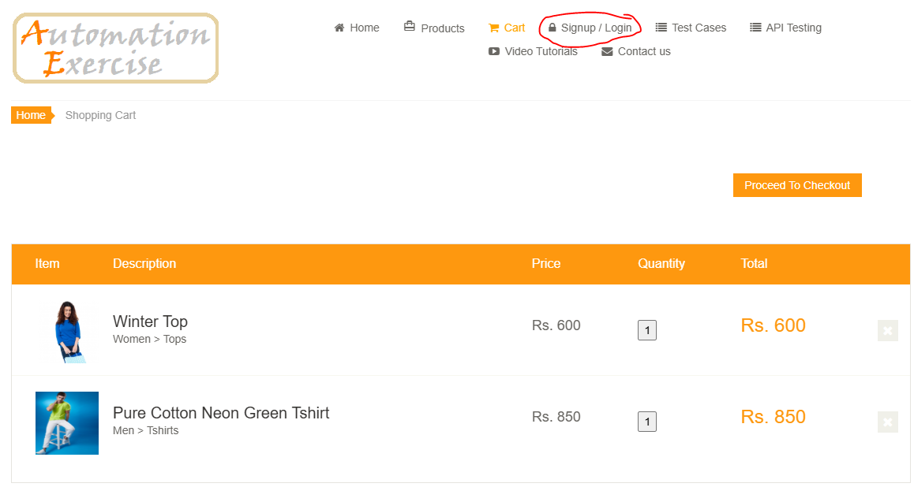 Product added without login or signin | Pass | Medium | Noyon Chandra Saha | 2025-06-26

Project Name | E-Commerce Product Management
Module Name | View Product List
Created By | Noyon Chandra Saha
Creation Date | 2025-06-25
Reviewed By
Reviewed Date

Test Scenario Id | Test Scenario Description | Test Case ID | Test Case Description | Precondition | Post Condition | Test Steps | Test Data | Expected Restult | Actual Result | Status | Priority | Executed By | Executed Date | Comments (if any)
TS_VPL_002 | Ensure that users can view a comprehensive list of all products available in the system, including relevant details like product price, add to cart button and view product button. | TC_VPL_009 | Verify that clicking on Products navigates to the All Products page and displays all relevant product details. | User is on the homepage of AutomationExercise.com. | User ends on the All Products page with fully loaded product grid. | 1. Click on Products in the top navigation bar. 2. Wait for page to load fully. | Test Data: N/A | All Products page is displayed, showing product tiles with image, name, price, “Add to Cart”, and “View Product” buttons for each product | All product display product image, Price, Name, Add to cart and View Product button | Pass | High | Noyon Chandra Saha | 2025-06-26
 |  | TC_VPL_010 | Confirm each product tile on the All Products page includes a visible “View Product” button. | User is on the Products page. | User remains on All Products page. | 1. Observe all product tiles displayed on the page. | Test Data: N/A | Every product tile includes a clearly visible and enabled “View Product” button. | I can see every prooduct has clearly visible View product button and it's navigate to the Product detials page | Pass | High | Noyon Chandra Saha | 2025-06-26
 |  | TC_VPL_011 | Verify each product tile displays the “Add to Cart” button correctly. | User is on the All Products page. | User remains on All Products page. | 1. Scan each product tile. | Test Data: N/A | All product tiles contain an enabled “Add to Cart” button. | I can see every prooduct has clearly visible Add to cart button and it's add product in the cart | Pass | High | Noyon Chandra Saha | 2025-06-26
 |  | TC_VPL_012 | Verify each product row displays 3 products. | User is on the All Products page. | User remains on All Products page. | 1. Scan each product row. | Test Data: N/A | Each row contain 3 products. | 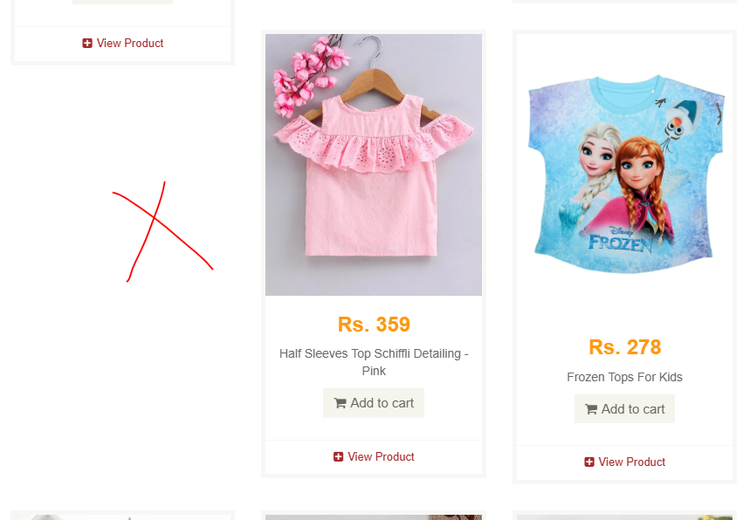 Each row isn't contain 3 product. | Fail | Medium | Noyon Chandra Saha | 2025-06-26
 |  | TC_VPL_013 | Ensure the product list loads dynamically when scrolling | User is on the All Products page. | Additional products appear without errors. | 1. Scroll to bottom of the page. 2. Observe for loading behavior. | Test Data: N/A | Additional product tiles appear (lazy loading) or pagination elements appear if applicable. | There is no lazy loading. All product loaded at the same time | Fail | Medium | Noyon Chandra Saha | 2025-06-26
 |  | TC_VPL_014 | Validate graceful handling when product list fails to load. | Simulate network failure (e.g., offline mode) | User is informed of failure. | 1. Switch browser to offline/network-disabled. 2. Navigate to the All Products page. | Test Data: N/A | Error message appears (e.g., “Unable to load products. Please check your connection.”), and no infinite loading or blank page. | Product is not loaded | Pass | Medium | Noyon Chandra Saha | 2025-06-26

Project Name | E-Commerce Product Management
Module Name | Edit a Product
Created By | Noyon Chandra Saha
Creation Date | 2025-06-25
Reviewed By
Reviewed Date

Test Scenario Id | Test Scenario Description | Test Case ID | Test Case Description | Precondition | Post Condition | Test Steps | Test Data | Expected Restult | Actual Result | Status | Priority | Executed By | Executed Date | Comments (if any)
TS_EP_003 | Ensure that users can modify the quantity of an existing product that are available in the cart, and ensure that changes are saved correctly and display in the cart. | TC_EP_015 | Verify users can increase product quantity in the cart and subtotal updates accordingly. | Product “X” added to cart with quantity = 1. | Cart reflects updated quantity. | 1. Go to Cart page. 2. Check the Quatity change button. 3. Apply the changes | Product X (e.g., “Men Tshirt”), Price = Rs. 400, Quantity changed to “4”. | Quantity shows “4”. |  | Pass | High | Noyon Chandra Saha | 2025-06-26
 |  | TC_EP_016 | Verify users can increase product quantity in the product detail page. | Product “X” added to cart with quantity = 1. | Update quantity accordingly. | 1. Go to Product Details page. 2. Check the Quatity change button. 3. Apply the changes | Product X (e.g., “Stylish Dress”), Quantity changed to “2”. | Quantity shows “2”. | 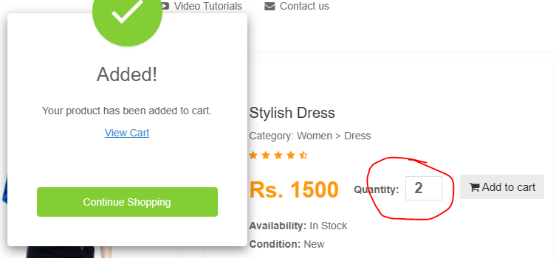 | Pass | High | Noyon Chandra Saha | 2025-06-26
 |  | TC_EP_017 | Verify users can decrease product quantity in product detial page. | Product X present in cart with quantity ≥ 2. | Cart updates quantity | 1. Go to Product Details page with product X qty = 3. 2. Change quantity to “1”. 3. Click Click add to cart button. 4. Observe cart update. | Test Data: Product X, Set quantity to “1”. | Quantity = 1. | Decrease Product quantity successfully | Pass | High | Noyon Chandra Saha | 2025-06-26
 |  | TC_EP_018 | Verify users can not setting producti quantity as 0 | Product X in cart. | Product is not added in cart list | 1. Go to Product Details page with product X qty = 3. 2. Change quantity to “0”. 3. Click Click add to cart button. 4. Observe cart update. | Test Data: Product X, Set quantity to “0”. | Show Proper validation error and product is not added in the list |  | Fail | High | Noyon Chandra Saha | 2025-06-26
 |  | TC_EP_019 | Verify negative quantities are not accepted. | Product present in cart. | Negative input rejected. | 1. Go to Product Details page with product X qty = 3. 2. Change quantity to “-5”. 3. Click Click add to cart button. 4. Observe cart update. | Test Data: Product X, Set quantity to “-5”. | Show Proper validation error and product is not added in the list |  | Fail | High | Noyon Chandra Saha | 2025-06-26
 |  | TC_EP_020 | Check non-numeric entries are prevented. | Cart with product X. | Invalid input is rejected. | 1. Enter “abc” into quantity field. 2. Click press Enter. 3. Observe behavior. | Test Data: Quantity = “abc”. | Field rejects input or shows validation error. | It is not support any character except number | Pass | High | Noyon Chandra Saha | 2025-06-26
 |  | TC_EP_021 | Ensure cart updates stick after a page reload. | Product X with updated quantity = 3. | Updated quantity persists. | 1. Refresh the cart page. 2. Observe the cart. | Quantity = 3. | Quantity remains 3; subtotal is correct. | Quatity remain 3 and subtotal is also currect | Pass | High | Noyon Chandra Saha | 2025-06-26

Project Name | E-Commerce Product Management
Module Name | Delete a Product
Created By | Noyon Chandra Saha
Creation Date | 2025-06-25
Reviewed By
Reviewed Date

Test Scenario Id | Test Scenario Description | Test Case ID | Test Case Description | Precondition | Post Condition | Test Steps | Test Data | Expected Restult | Actual Result | Status | Priority | Executed By | Executed Date | Comments (if any)
TS_DP_004 | Ensure that users can delete a product from the cart and that the product is removed from the cart list without affecting other data. | TC_DP_022 | Verify that a user can remove a single product from the cart. | User is on AutomationExercise.com; at least one product added to cart. | Cart page refreshes; Product A no longer displayed. | 1. Add a single Product first. 2. Navigate to the Cart Page 3. Click on the X button | Frirst product form the product list. | Product A is removed, and cart list updates immediately. | Product is removed and cart is update immediately. | Pass | High | Noyon Chandra Saha | 2025-06-26
 |  | TC_DP_023 | Ensure that removing one product does not affect other cart items. | User has added Product A and Product B to cart. | Remaining products show accurate totals. | 1. Add atleast two Product first. 2. Navigate to the Cart Page 3. Click on the X button for 5th product | 3rd and 5th produuct in the product list. | Only Product 5th is removed; Product 3rd remains with correct quantity/price. | Only Product 5th is removed; Product 3rd remains with correct quantity/price. | Pass | High | Noyon Chandra Saha | 2025-06-26
 |  | TC_DP_024 | Confirm user can delete all items sequentially, leaving an empty cart. | Cart contains multiple products (A, B, C). | No products visible; cart total updates to zero or hidden. | 1. Add three Product first. 2. Navigate to the Cart Page 3. Click on the X button for all product | 1st, 2nd and 3rd product form the product list. | After final removal, cart shows “Cart is empty” or similar message. |  | Pass | High | Noyon Chandra Saha | 2025-06-26

Project Name | E-Commerce Product Management
Module Name | Search/Filter Products
Created By | Noyon Chandra Saha
Creation Date | 2025-06-25
Reviewed By
Reviewed Date

Test Scenario Id | Test Scenario Description | Test Case ID | Test Case Description | Precondition | Post Condition | Test Steps | Test Data | Expected Restult | Actual Result | Status | Priority | Executed By | Executed Date | Comments (if any)
TS_SP_005 | Ensure that users can search for products by name and filter the product list based on various criteria such as category, and brand, and that the results are accurate and relevant. | TC_SP_025 | Verify search returns relevant products when a valid product name is used. | User is on Products page. | Relevant products remain visible. | 1. Enter a valid product name (e.g., “Blue Top”) in the search bar. 2. Click the Search button. 3. Observe the displayed results. | Test Data: “Blue Top” | “SEARCHED PRODUCTS” heading appears. Only products with names/descriptions matching “Blue Top” are listed. Each result shows image, name, price, and “Add to cart” button. | 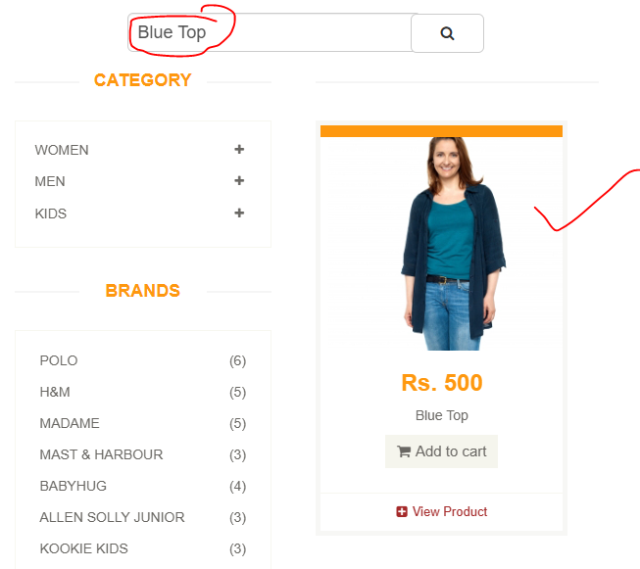 | Pass | High | Noyon Chandra Saha | 2025-06-26
 |  | TC_SP_026 | Verify search returns no results for non-existent product names. | User is on All Products page. | “Searched Products” section shows empty or appropriate message. | 1. Enter nonsense text (e.g., “XYZ123”) in the search bar. 2. Click the Search button. 3. Observe the displayed results. | Test Data: “XYZ123” | No product listing; displays “No products found” or similar. | 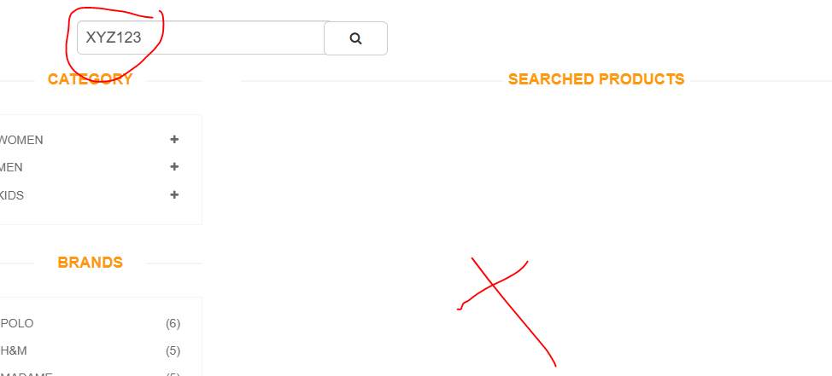 | Pass | High | Noyon Chandra Saha | 2025-06-26
 |  | TC_SP_027 | Verify filtering products by category only shows relevant items. | User is on All Products page. | Category filter applied and filter cleared if tested. | 1. Locate Category sidebar. 2. Click on a category (e.g., “Women → Dress”). 3. Observe product list. | Test Data: Category = “Women→ Dress” | Page reloads to show heading like “WOMEN – DRESS PRODUCTS”. Only items in that category are displayed. | 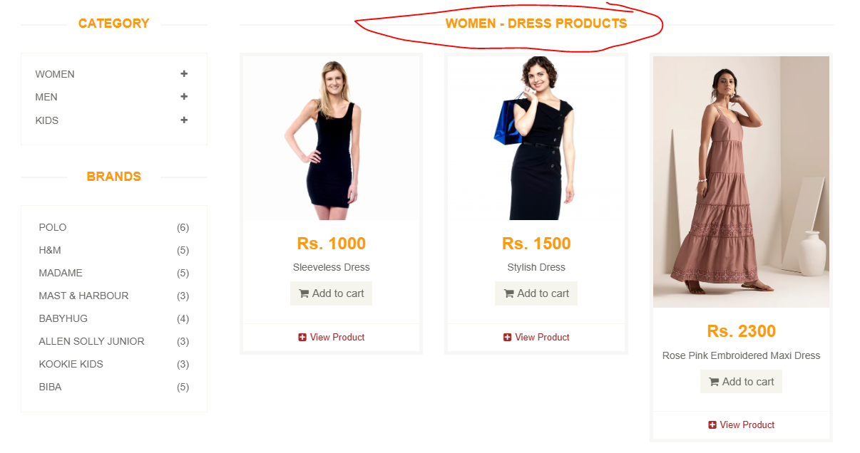 | Pass | High | Noyon Chandra Saha | 2025-06-26
 |  | TC_SP_028 | Verify brand filter narrows down products correctly. | User is on All Products page. | Brand filter applied and cleared if tested. | 1. In Brands sidebar, click a brand (e.g., “H&M”) 2. Observe the product list. | Test Data: Brand = "H&M" | Products only from “Polo” brand are displayed. | 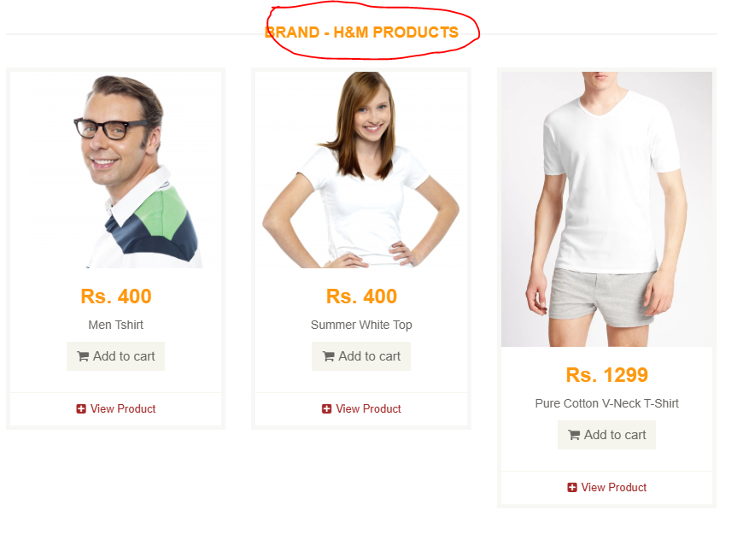 | Pass | High | Noyon Chandra Saha | 2025-06-26
 |  | TC_SP_029 | Confirm that category filter + search filter returns intersection of results. | User is on All Products page. | Combined filter is active. | 1. Select category (e.g., “Men → T‑shirts”). 2. In the filtered list, search for “Men Tshirt”. 3. Observe results. | Category = “Men/Tshirts”, Search = “Men Tshirt” | Only “Men Tshirt” products under T‑shirts are shown. “SEARCHED PRODUCTS” and category filter both are active. | 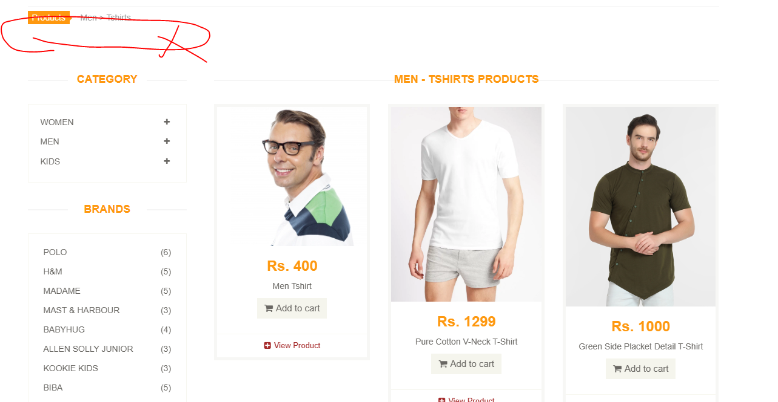 There is no search button when apply filter | Fail | High | Noyon Chandra Saha | 2025-06-26
 |  | TC_SP_030 | Verify that clearing filters returns the full product list. | Filters and search are applied. | All products are displayed again. | 1. Clear the search input. 2. Remove applied category/brand filters. 3. Refresh the page or click “Products” breadcrumb. |  | User lands on “All Products” view. Full product catalog is restored. | 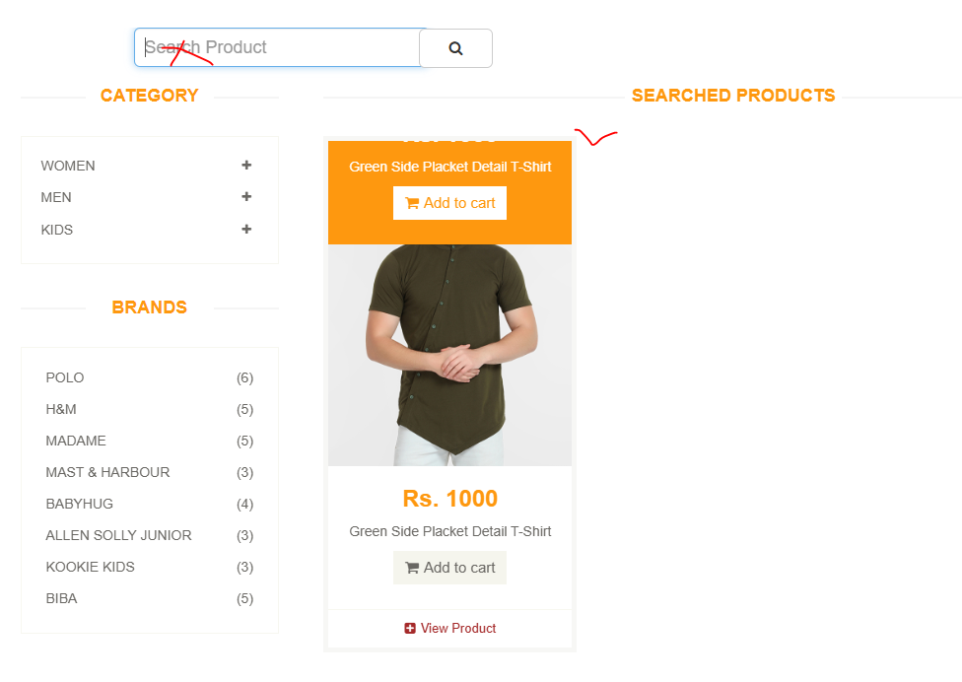 | Fail | High | Noyon Chandra Saha | 2025-06-26

